Simple CDS Stripping
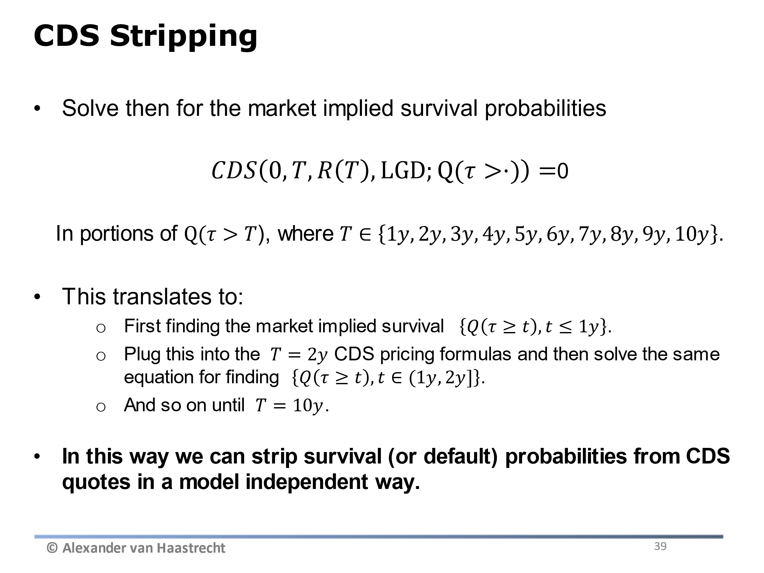
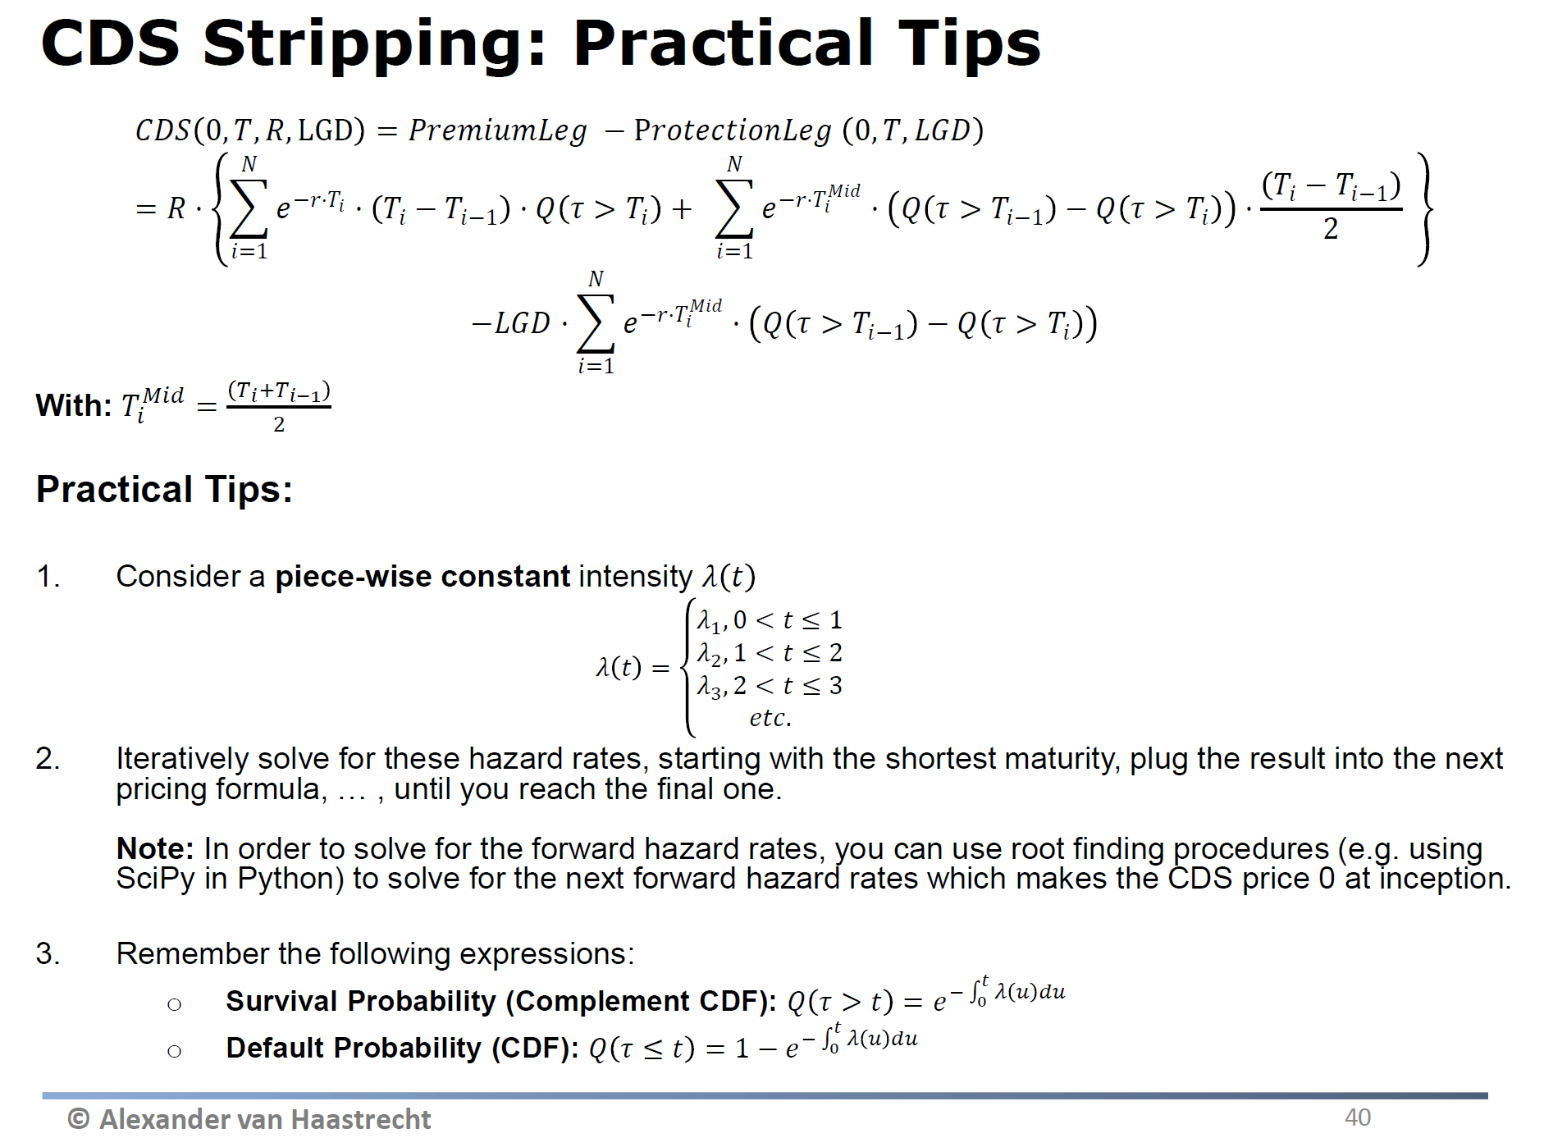
1. CDS Stripping assuming simple CDS Price formula (for illustration)

Objective: Derive forward hazard rates from survival/default probabilities

LGD | 40%

Time | CDS Rate | "Average" Lambda (from 0 to Time i) | Q(t>T) | Forward hazard Rate (method 1) | Forward hazard Rate (method 2)
0 |  |  | 1.0000
1 | 1.00% | 2.500% | 0.9753 | 2.500% | 2.500%
2 | 1.50% | 3.750% | 0.9277 | 5.000% | 5.000%
5 | 1.90% | 4.750% | 0.7886 | 5.417% | 5.417%
7 | 2.00% | 5.000% | 0.7047 | 5.625% | 5.625%
10 | 2.25% | 5.625% | 0.5698 | 7.083% | 7.083%

Approximation: The above assumes continuous premium payments and zero interest rates (only to be used as an approximation!)

2. CDS Stripping using full formula including accrued premium

Generic CDS Stripping (In reality): assume quarterly premium payments, non-zero interest rates and accrued premium at default (see CDS stripping on slides)

